1. Title Page
[Instacart Basket Analysis]

Project Name: Instacart Grocery Basket Analysis
Date: December 2022
Analyst Name: Oana Petrutiu

Contents:
Population Flow
Consistency checks
Wrangling steps
Column derivations
Visualizations
Recommendations

Citation:
1. “The Instacart Online Grocery Shopping Dataset 2017”, Accessed from https://www.instacart.com/datasets/grocery-shopping-2017 on December 7, 2022.
2. The Customer data and the Prices column in the Producs data were fabricated by Career Foundry for the purpose of this course.

2. Population Flow
Population flow

Exclusion flag
Condition: max_order < 5
Obervations to be removed: 1,440,295
Final total count of order_products_all: 30,964,564

Orders_products_combined
Orders_products_merged
Orders_products_all

Total: 32,404,859
Total: 32,434,489
Total: 30,964,546

3. Consistency checks
Consistency checks

Dataset | Missing values | Missing values treatment | Duplicates
orders | 206,209 (days_since_prior_order) | Changed to 0 to represent the first order for each user | n/a
products | 16 (product_name) | No change | 5
orders_products_prior | n/a | n/a | n/a
customers | 11,259 (first_name) | Removed (PPI) | n/a
departments | n/a | n/a | n/a

4. Wrangling steps
Wrangling steps

Columns dropped | Columns renamed | Columns' type changed | Comment/Reason
eval_set |  |  | irrelevant to the analysis
_merge |  |  | irrelevant to the analysis
Unnamed: 0_x |  |  | irrelevant to the analysis
add_to_cart_order |  |  | irrelevant to the analysis
reordered |  |  | irrelevant to the analysis
Unnamed: 0_y |  |  | irrelevant to the analysis
busiest_day |  |  | irrelevant to the analysis
busiest_period_of_day |  |  | irrelevant to the analysis
median_order_frequency |  |  | irrelevant to the analysis
first_name |  |  | irrelevant to the analysis
last_name |  |  | irrelevant to the analysis
date_joined |  |  | irrelevant to the analysis
 | order_dow |  | order_day_of_week - more intuitive
 |  | user_id | changed to string
 |  | order_id | changed to string
 |  | first_name | changed to string

5. Column derivations
Column derivations and aggregations

Dataset | New column | Column/s it was derived from | Conditions
ords_prods_merged | price_range_loc | prices | < 5 = low rang , 5-15 = mid range | 15+ high range
ords_prods_merged | busiest_day | orders_day_of_week | day 0 = busiest | day 4 = least busy | else = regularly busy
ords_prods_merged | max_order | order_number | calculate the max orders per user
ords_prods_merged | loyalty_flag | max_order | if < 10 = new cust | 10-40 = regular cust | > 40 = loyal cust
ords_prods_merged | average_price | prices | calculate the avg price per user
ords_prods_merged | spending_flag | mean_price | < 10 = low spender | > 10 = high spender
ords_prods_merged | median_order_frequency | days_since_prior_order | calculate the median # of days since prior order
ords_prods_merged | order_frequency_flag | median_order_frequency | < 10 = frequent cust | 10-20 = regular cust | 20+ = non-frequent cust
ords_prods_merged | region | state | create 4 regions and assign corresponding states
ords_prods_merged | activity_flag | max_order | < 5 = low activity | > 5 = high activity
ords_prods_merged | age_group | age | < 25 = young | 25-55 = adult | 55+ = senior
ords_prods_merged | shop_time | order_hour_of_day | 6-9 AM = early bird | 8-11PM = night owl | else = regular time shopper
ords_prods_merged | parent | department_id | if = 18, then young parent | != 18 then single adult
ords_prods_merged | caregiver | nr_of_dependents | > 1 = caregiver | < 1 = single
ords_prods_merged | vegan | department_id | if = 12 or 16, then non-vegan user | != 12 or 16 then vegan
ords_prods_merged | income_bracket | income | < 50,000 = low income | > 200,000 = high income | else = mid income

6. Visualizations
Visualizations

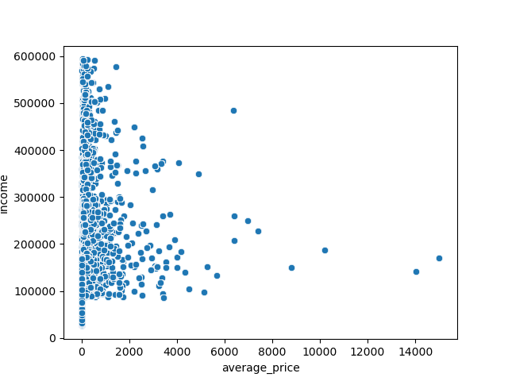
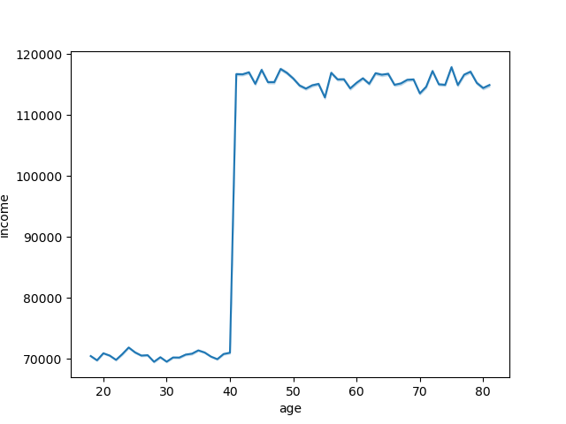


1. The most expensive items are purchased by customers with an annual income between $150,000 and $300,000 | 2. Our customers' income abruptly increases after the age of 40 | 3. There is not clear correlation between the customer's age and the number of dependents


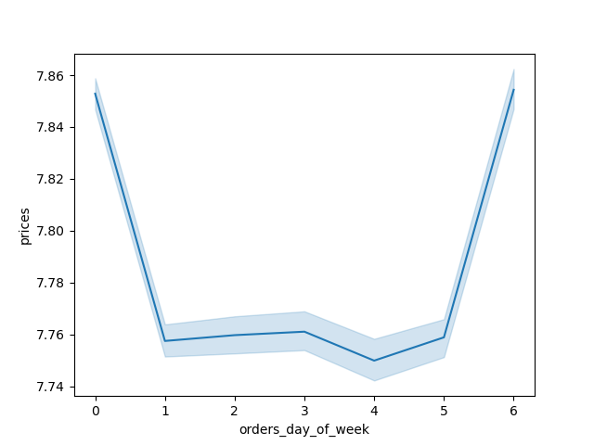


4. The price per item increases after 10 AM | 5. The busiest days are the weekends. There is a slight increase in sales on Tuesday, possible indication customers need to restock mid-week | 6. Decreasing order of days by sales 0 - Saturday, 1- Sunday etc.

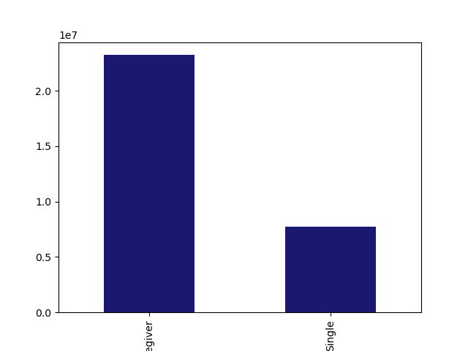
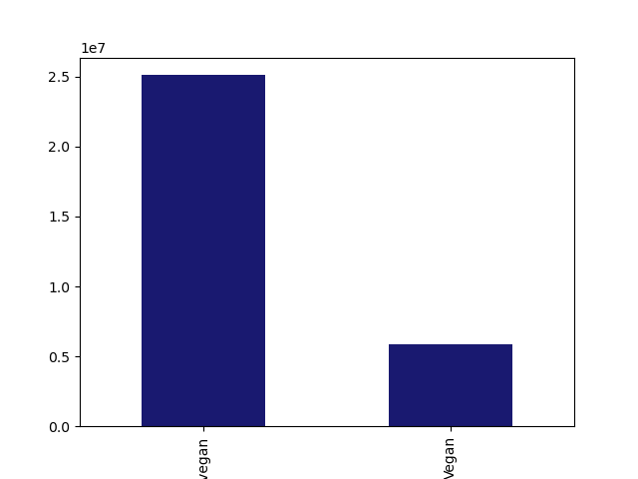
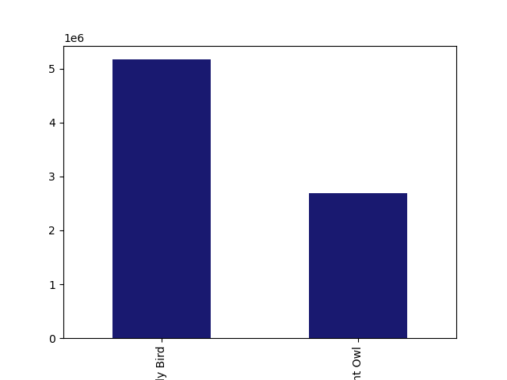

CAREGIVER
SINGLE
NON VEGAN
VEGAN
EARLY BIRD
NIGHT OWL

7. Most of our customers have 1 or more dependents | 8. Most of our customers consume animal products | 9. Most of our customers have the habit of shopping earlier in the day

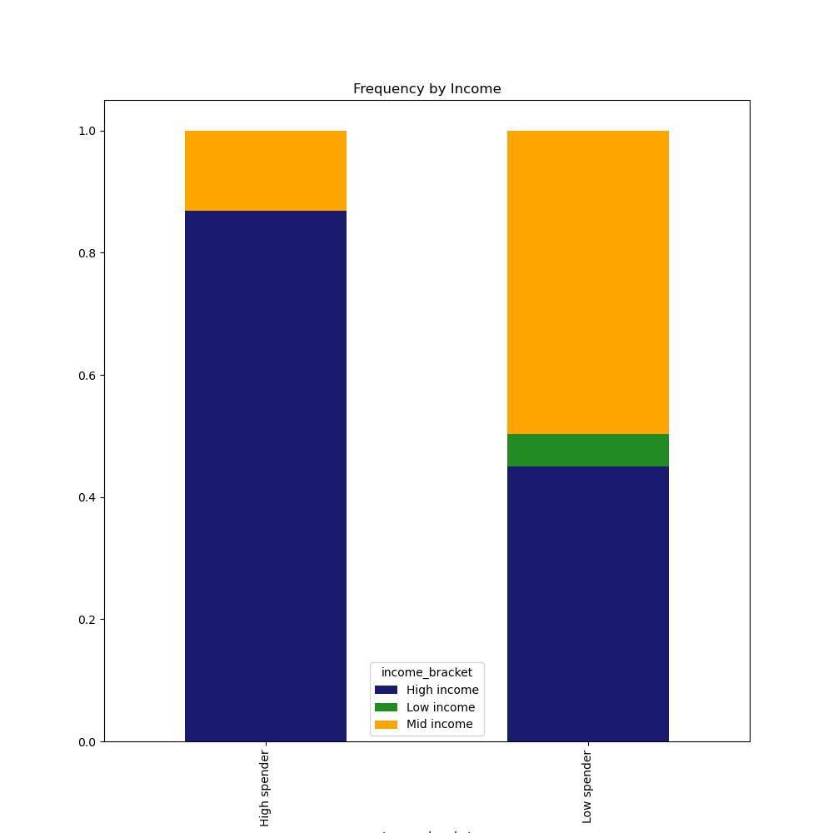
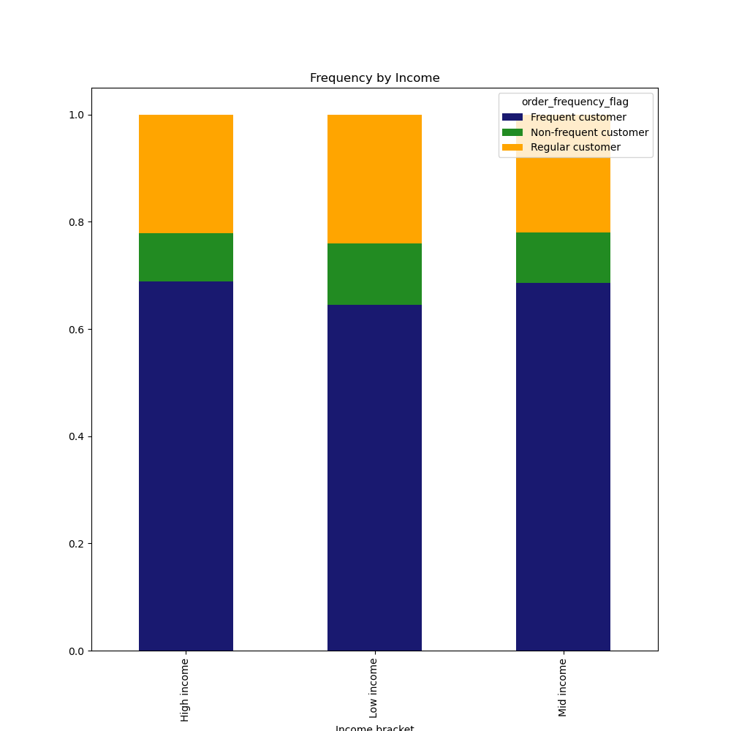
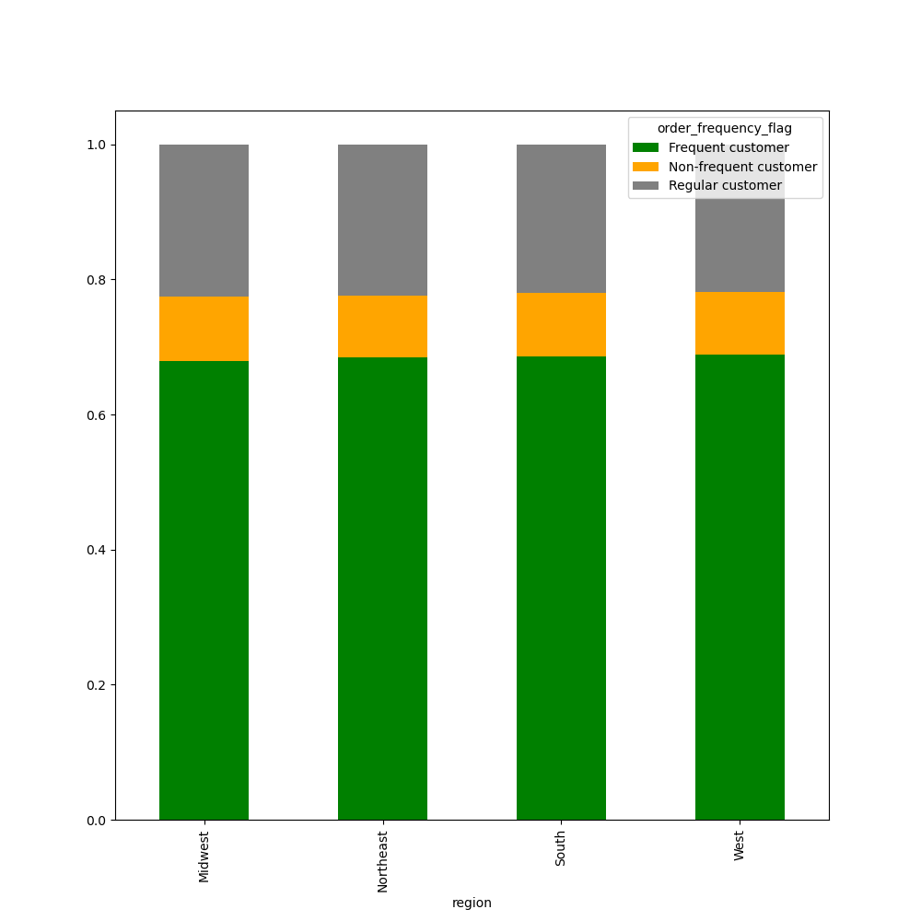

10. Unsurprisingly, the most high spenders and customers with high incomes. However, the majority of customers have a mid income level and a very small portion of customers have a low income | 11. High-income customers are the least non-frequent type, and low-income customers are the least frequent, but the most regular |  | 12. Across all regions in the U.S., the frequency of the shoppers is comparable

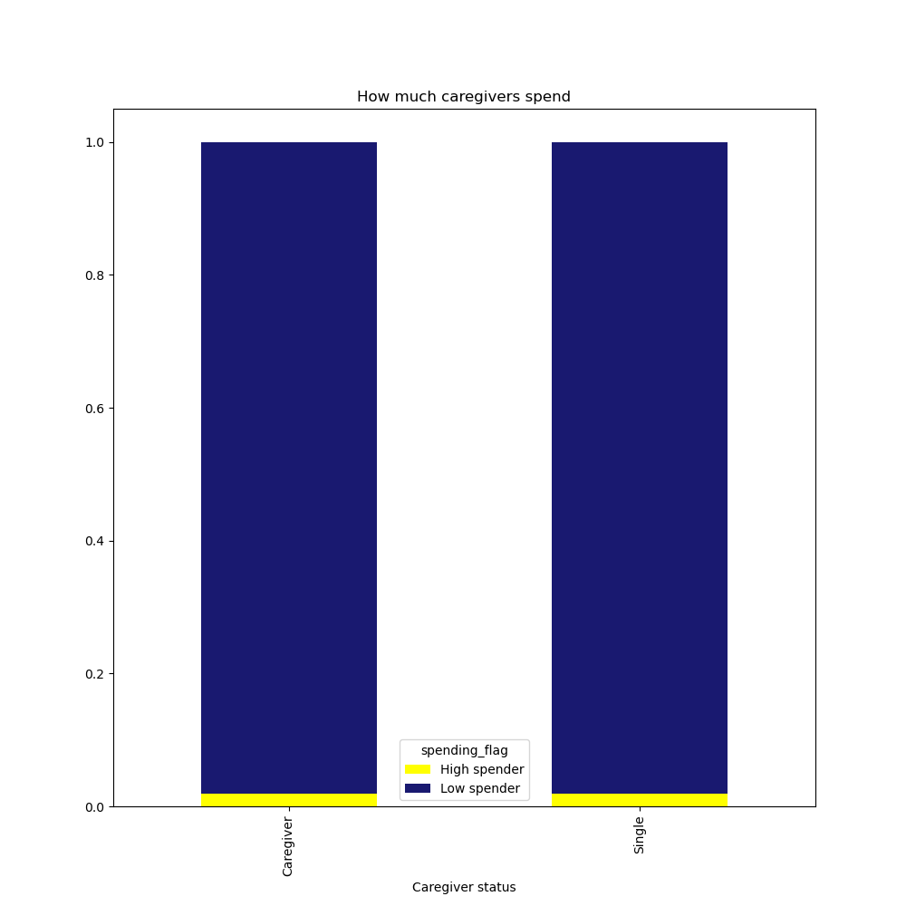
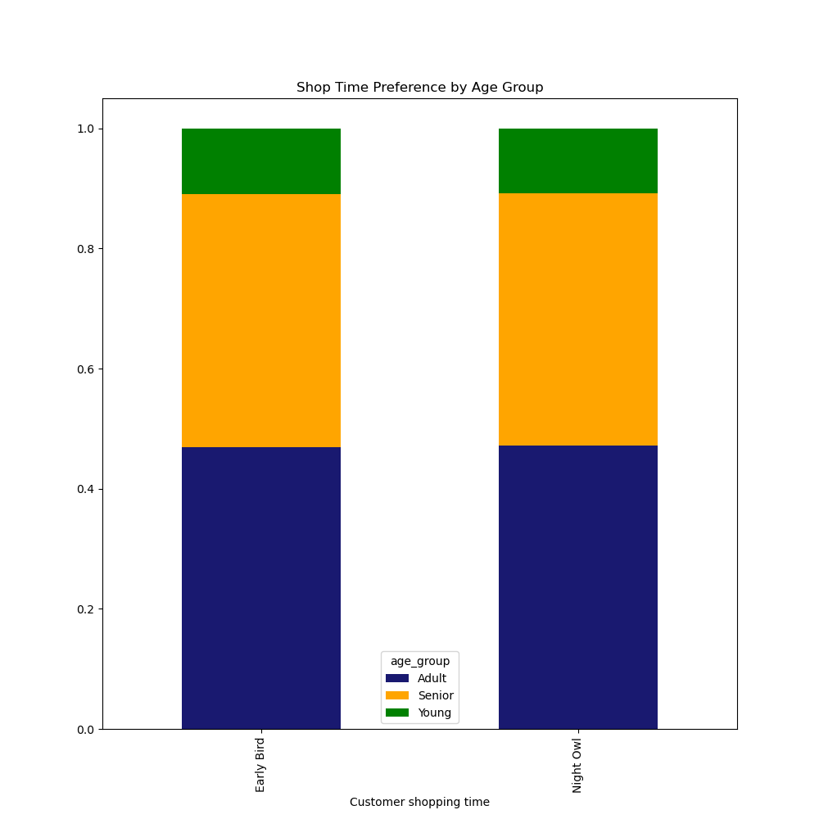

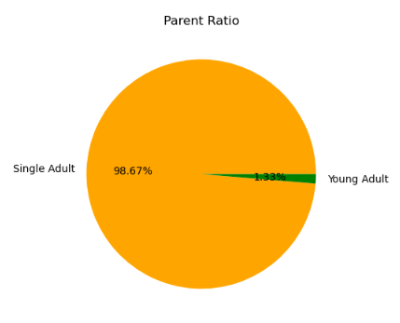

13. Less than 2% of customers have young children under the age of 2 | 14. Caregivers and single customers alike are predominantly low-spenders |  | 15. We have shoppers of all ages, in equal proportions, both in the early morning and late evening

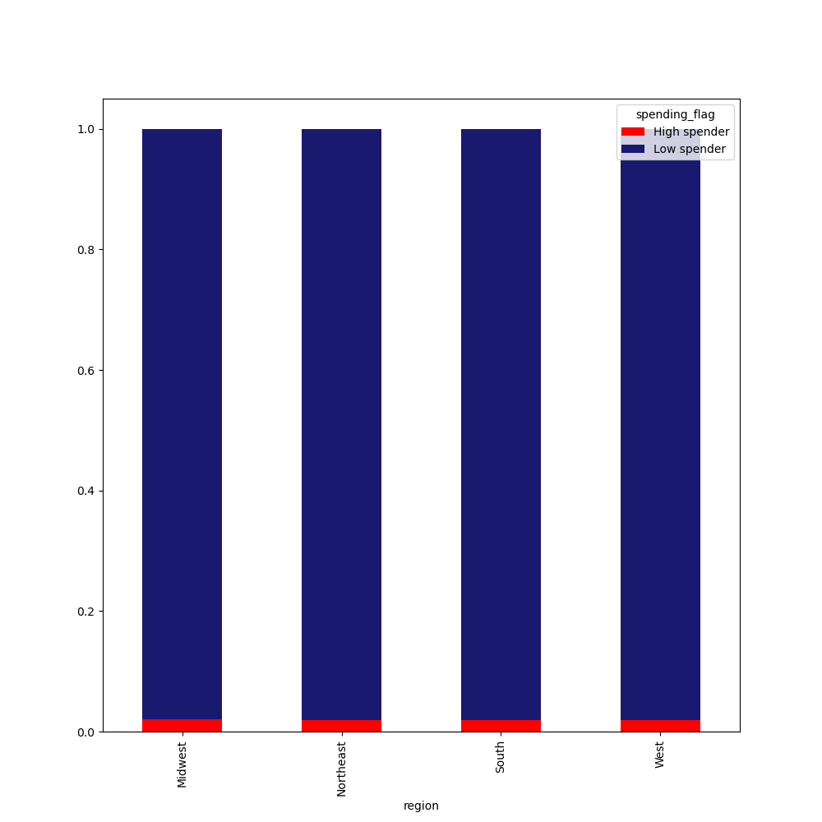
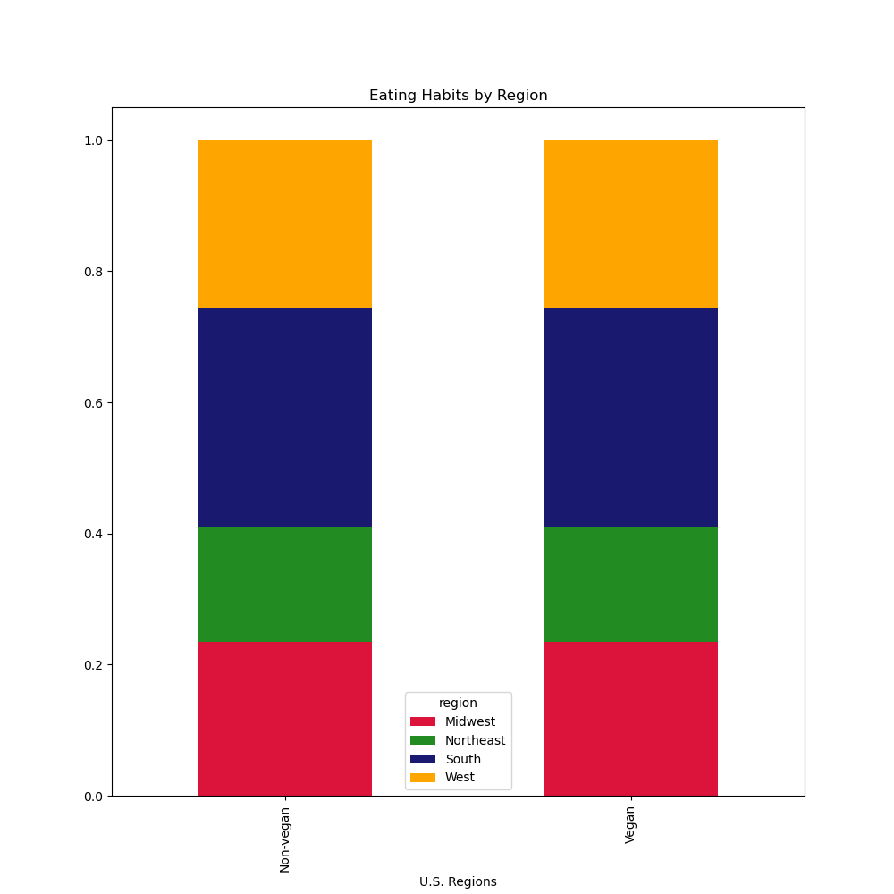

16. The proportion of high spenders compared to low spenders across the country is relatively similar | 15. The proportion of vegan to non-vegan customers across the country is relatively similar

7. Recommendations
Recommendations
Times

Question | Answer

1. What are the busiest days of the week and hours of the day? | In descending order, the busiest days of the week are: Saturday, Sunday, Friday, Monday, Thursday, Tuesday, Wednesday. The busiest hours of the day are 10 AM to 2 PM.
 | We see fewer orders on Tuesdays and Wednesday around 4 AM. This would be good time to schedule ads.

2. Are there any particular times of the day when people spend the most money? | Although the busiest times are 10 am - 2 pm, the price of the items sold appear to be cheaper than during the slower times.
 | A good time to advertise higher priced items would then be in the early morning, between 4 AM to 6 AM.

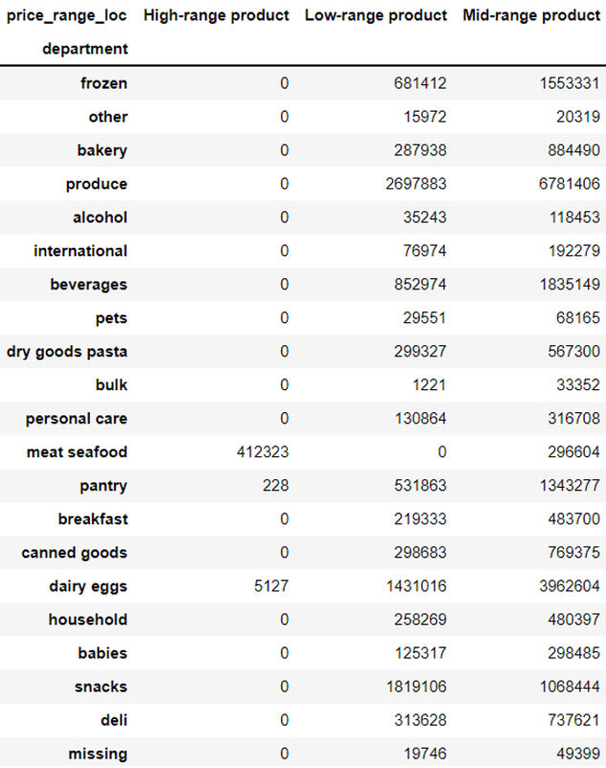 3. How can we use simpler price range groupings? | The price_range_loc column groups prices into three categories: Low-range, Mid-range, and High-range.
 | The highest range products are in the "meat seafood," "dairy eggs," and "pantry" departments.
 | The "meat seafood" department is the only department with only High-range products. The latter two carry a majority of their products on the Mid-range

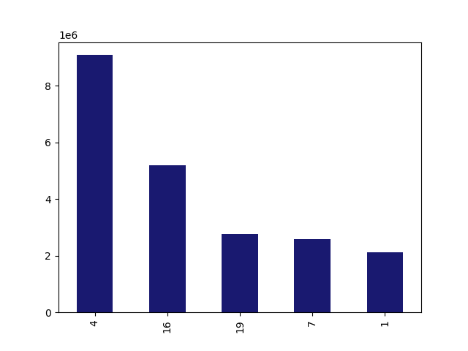
4. Are there certain types of products that more popular than others? | The department with the highest frequency of product orders is produce. The marketing team could also focus their efforts in the dairy and eggs, snacks, beverages and frozen departments.

Produce
Dairy and eggs
Snacks
Frozen
Beverages

5. Are there differences in ordering habits based on a customer’s region? | The ordering behavior does not seem to be influenced by the customer's region.

West
South
NE
NE
Midwest
Midwest
South
West

NON VEGAN
EARLY BIRD
6. What different classifications does the demographic information suggest? | We can split our customers into different categories: • By number of dependents: caregivers or non-caregiver
 | • By diet preference: vegans or non-vegan
 | • By shop time preference: early bird or night owl
CAREGIVER
NIGHT OWL

VEGAN
SINGLE

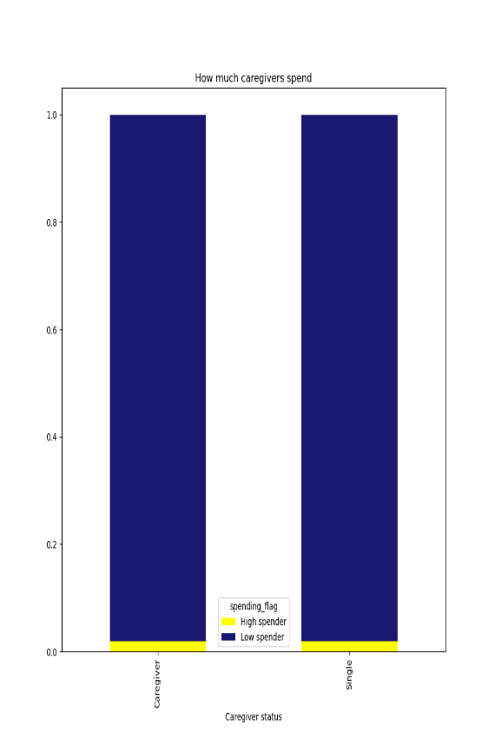
CAREGIVER
SINGLE
7. What differences are there in ordering habits based on customer profiles? | The results of the analysis show that:
 | • There is a comparable amount of spending whether the customer has dependents or not
 | • Southern states have more consumers on a vegan diet

 | • Less than 2% of customers nationwide have young children under the age of 2
 | • High income customers are the most frequent customers
 | • Customers of all ages show early in the day and late at night, in equal measure

EARLY BIRD
NIGHT OWL

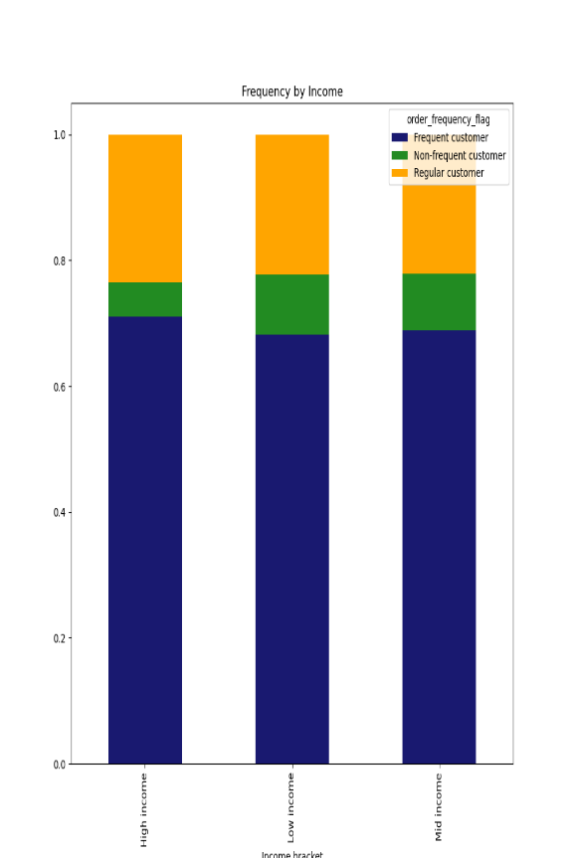

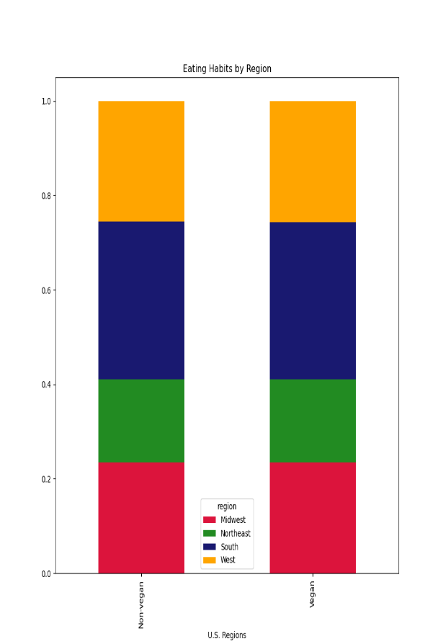

HIGH INCOME
MID INCOME
LOW INCOME

NON VEGAN
VEGAN

